1
Introduction
The structure of adult social care in England

Notes
This table shows Skills for Care's estimate of total posts in adult social care across England by sector.
The majority of posts are in the independent sector CQC-regulated sector.

Table 1. Estimated adult social care total posts by sector, 2024/25
Source. Skills for Care estimates

 | Total posts |  |  |  |  | Percentage of all sectors
 | All sectors | Local authority | Independent CQC-regulated | Independent non-CQC regulated | Direct payment recipients | Local authority | Independent CQC-regulated | Independent non-CQC regulated | Direct payment recipients
2019/20 | 1,500,000 | 120,600 | 1,050,000 | 179,000 | 153,000 | 8% | 70% | 12% | 10%
2020/21 | 1,540,000 | 120,700 | 1,085,000 | 181,000 | 149,000 | 8% | 71% | 12% | 10%
2021/22 | 1,560,000 | 123,100 | 1,100,000 | 192,000 | 151,000 | 8% | 70% | 12% | 10%
2022/23 | 1,580,000 | 123,200 | 1,120,000 | 191,000 | 147,000 | 8% | 71% | 12% | 9%
2023/24 | 1,670,000 | 125,700 | 1,220,000 | 182,000 | 145,000 | 8% | 73% | 11% | 9%
2024/25 | 1,710,000 | 126,800 | 1,255,000 | 182,000 | 145,000 | 7% | 73% | 11% | 8%

2
Introduction
Service types

Notes
This table shows Skills for Care's estimate of total posts in adult social care across England by service.
The majority of posts are in residential and domiciliary services, with around the same proportion in each of these.

Table 2. Estimated adult social care total posts by service, 2024/25
Source. Skills for Care estimates

 | Total posts |  |  |  |  |  | Percentage of all services
 | All services | Residential | Day | Domiciliary | Direct payment recipients (domiciliary) | Community | Residential | Day | Domiciliary | Direct payment recipients (domiciliary) | Community
2019/20 | 1,500,000 | 685,000 | 38,000 | 500,000 | 153,000 | 127,000 | 46% | 3% | 33% | 10% | 8%
2020/21 | 1,540,000 | 685,000 | 39,000 | 535,000 | 149,000 | 127,000 | 45% | 3% | 35% | 10% | 8%
2021/22 | 1,560,000 | 685,000 | 39,000 | 555,000 | 151,000 | 132,000 | 44% | 2% | 36% | 10% | 8%
2022/23 | 1,580,000 | 685,000 | 36,000 | 580,000 | 147,000 | 132,000 | 43% | 2% | 37% | 9% | 8%
2023/24 | 1,670,000 | 715,000 | 31,000 | 650,000 | 145,000 | 130,000 | 43% | 2% | 39% | 9% | 8%
2024/25 | 1,710,000 | 735,000 | 28,000 | 670,000 | 145,000 | 130,000 | 43% | 2% | 39% | 8% | 8%

3
Introduction
Social care organisations and establishments

Notes
This table shows Skills for Care's estimate of filled posts, people, establishemnts and organisations in adult social care across England.
A filled posts refers to any post (or job) employed by an adult social care organisation. A person may have more than one job, therefore the number of filled posts can be higher than the number of people working in the sector.
Establishments are defined as individual workplace locations, or all local units of employment. For example, an individual care home. Some organisations will be made up of multiple establishments.

Table 3. Filled posts, people and employers in adult social care, 2024/25
Source. Skills for Care estimates

 | Estimate
Filled posts | 1,600,000
People | 1,500,000
Establishments | 42,000
Organisations | 19,000

4
The independent sector: CQC-regulated
1.2.6 Coverage

Notes
This table shows the percentage of independent sector CQC-regulated locations that have an ASC-WDS account.
The ASC-WDS covers around half of independent sector CQC-regulated locations.

Table 4. ASC-WDS coverage of independent sector CQC-regulated locations, March 2013 to March 2025
Source. CQC Care Directory, ASC-WDS

 | CQC-regulated locations | ASC-WDS coverage
March 2013 | 23,845 | 41.5%
March 2014 | 24,158 | 53.8%
March 2015 | 24,150 | 54.0%
March 2016 | 24,288 | 54.4%
March 2017 | 24,252 | 54.2%
March 2018 | 24,409 | 53.9%
March 2019 | 24,703 | 52.8%
March 2020 | 24,916 | 51.0%
March 2021 | 25,547 | 46.9%
March 2022 | 26,186 | 47.4%
March 2023 | 26,960 | 50.1%
March 2024 | 28,024 | 52.2%
March 2025 | 28,973 | 53.3%

5
The independent sector: CQC-regulated
1.2.6 Coverage

Notes
This table shows the percentage of independent sector CQC-regulated locations that have an ASC-WDS account by region.

Table 5. ASC-WDS coverage of CQC-regulated locations by region, March 2025
Source. CQC Care Directory, ASC-WDS

 | CQC-regulated locations | ASC-WDS coverage
England | 28,973 | 53.3%
Eastern | 3,459 | 55.3%
East Midlands | 2,868 | 51.5%
London | 3,776 | 45.9%
North East | 1,131 | 63.1%
North West | 3,428 | 54.1%
South East | 5,209 | 53.2%
South West | 3,143 | 58.6%
West Midlands | 3,323 | 52.1%
Yorkshire and the Humber | 2,636 | 53.5%

6
The independent sector: CQC-regulated
1.2.6 Coverage

Notes
This table shows the percentage of independent sector CQC-regulated locations where we have dervied their estimate of filled posts from a known value, an imputed value from another known value or a prediction from our regression models.

Table 6. Proportion of locations by the source of their filled posts estimate, December 2025
Source. Skills for Care estimates

 | CQC-regulated locations | Known ASC-WDS / CQC PIR | Imputed from known ASC-WDS / CQC PIR | Regression model
March 2013 | 23,856 | 11% | 54% | 35%
March 2014 | 24,169 | 8% | 59% | 33%
March 2015 | 24,166 | 11% | 58% | 31%
March 2016 | 24,297 | 10% | 61% | 29%
March 2017 | 24,259 | 11% | 63% | 26%
March 2018 | 24,422 | 10% | 66% | 24%
March 2019 | 24,706 | 9% | 68% | 22%
March 2020 | 24,922 | 9% | 70% | 21%
March 2021 | 25,555 | 10% | 70% | 20%
March 2022 | 26,190 | 11% | 70% | 19%
March 2023 | 26,970 | 11% | 70% | 19%
March 2024 | 28,037 | 13% | 68% | 20%
March 2025 | 28,992 | 13% | 65% | 22%

7
The independent sector: non-CQC regulated
1.3.6 Coverage

Notes
This table shows the percentage of our estimate of independent sector non-CQC regulated that are in the ASC-WDS.
There is no definitive list of non-CQC regulated establishments, but we have estimated the amount.

Table 7. Estimated ASC-WDS coverage of estimated independent sector non-CQC locations, March 2019 to March 2025
Source. Skills for Care estimates

 | Establishments | ASC-WDS coverage
March 2019 | 11,600 | 20%
March 2020 | 10,500 | 21%
March 2021 | 10,400 | 22%
March 2022 | 10,300 | 28%
March 2023 | 9,900 | 32%
March 2024 | 10,000 | 20%
March 2025 | 10,200 | 20%

8
Individuals employing their own staff (personal assistants)
1.4.6 Coverage

Notes
This table shows the percentage of local authorities that provided data to the ADASS Spring Survey and the NHS ASCOF and ASCFR.
The table also shows the number of surveys sent to individual employers and their personal assistants, our estimate of the total number of these and the number of returns. Coverage is derived by the number of returns out of the estimated total.
Individual employers are direct payment recipients that use their payment to employ a personal assistant.

Table 8. Coverage of data sources used for estimating direct payment recipients and personal assistants, 2019/20 to 2024/25
Source. ADASS, NHS, Skills for Care

 |  |  |  |  |  |  | Skills for Care survey of individual employers and personal assistants
 | ADASS Spring Survey |  |  | NHS ASCOF* and ASCFR** |  |  | Surveys sent | Individual employers |  |  | Personal assistant returns
 | Local authority areas | Returns | Coverage | Local authority areas | Returns | Coverage |  | Estimated total | Survey returns | Coverage | Estimated total | Survey returns | Coverage
2019/20 | 150 | 93 | 62% | 150 | 150 | 100% | 25,000 | 74,000 | 1,529 | 2.1% | 141,000 | 1,725 | 1.2%
2020/21 | 150 | 111 | 74% | 150 | 150 | 100% | 22,500 | 74,000 | 1,515 | 2.0% | 137,000 | 1,750 | 1.3%
2021/22 | 151 | 109 | 72% | 151 | 150 | 99% | 22,500 | 71,000 | 1,652 | 2.3% | 131,000 | 1,950 | 1.5%
2022/23 | 151 | 107 | 71% | 151 | 150 | 99% | 37,500 | 70,000 | 2,179 | 3.1% | 130,000 | 2,013 | 1.6%
2023/24 | 152 | 100 | 66% | 152 | 151 | 99% | 44,600 | 70,000 | 2,679 | 3.8% | 129,000 | 1,250 | 1.0%
2024/25 | 152 | 108 | 71% | 152 | 151 | 99% | 46,000 | 70,000 | 2,181 | 3.1% | 131,000 | 1,285 | 1.0%
*Adult Social Care Outcomes Framework
**Adult Social Care Activity and Finance Report

9
Proportion of data splits and filled posts which use each stage of the flowchart shown in Figure 12 for gender
2.5.1 Local authority and independent sectors

Notes
This table shows the proportion of filled posts which derived their gender breakdown using each stage of the process shown in Figure 12 of the methodology document.

Table 9. Proportion of data splits and filled posts which use each stage of the flowchart shown in Figure 12 for gender, March 2025
Source. Skills for Care estimates

Method used for gender | Data splits | Filled posts
Hybrid geography raw data | 20.1% | 89.9%
Local authority raw data | 3.4% | 0.6%
Local authority modelled data | 76.0% | 9.2%
Regional raw data | 0.3% | 0.3%
Region modelled data | 0.2% | 0.0%

10
Response rates and filtering
2.7.3 Response rates and filtering

Notes
This table shows the percentage of employees in ASC-WDS that have a known starters, leavers or vacant posts value and percentage that remain after data quality filtering.
The amount of local authority employee data retained is much higher as these are checked on submission, but independent sector is checked at the point of analysis.

Table 10. Response rates for workforce characteristics variables by sector, 2024/25
Source. ASC-WDS unweighted data

 | % records with known data |  | % of records remaining after data quality filters applied
 | Local authority | Independent | Local authority | Independent
Starters | 100% | 64% | 100% | 42%
Leavers | 100% | 64% | 100% | 42%
Vacant posts | 96% | 64% | 96% | 49%

11
Coverage
3.1.2 Coverage

Notes
This table shows the ASC-WDS coverage percentage of local authorities and the independent sector, the ADASS Spring Survey coverage of local authorities, and the coverage of individual employers and their personal assistants by Skills for Care survey.

Table 11. Coverage by sector over time, 2019/20 to 2025/26
Source. ASC-WDS unweighted data, ADASS, Skills for Care

 | 2019/20 | 2020/21 | 2021/22 | 2022/23 | 2023/24 | 2024/25 | 2025/26
Local authority – October snapshot | 100% | 100% | 100% | 99.3% | 98.7% | 100% | 100%
Independent CQC-regulated (March figures, incl. dormant locations) | 51.0% | 46.9% | 47.4% | 50.1% | 52.2% | 53.3% | n/a
Independent non-CQC | 21% | 22% | 28% | 32% | 20% | 20% | n/a
Direct payment recipients – ADASS returns* | 62% | 74% | 72% | 71% | 66% | 71% | n/a
Direct payment recipients – Individual employers | 2% | 2% | 2% | 3%** | 4% | 3% | n/a
Direct payment recipients – Personal assistants | 1% | 1% | 1% | 2%** | 1% | 1% | n/a
*The proportion of local authorities who reported both the number of direct payment recipients and the number of direct payment recipients employing staff on the ADASS return.
**2022/23 was the first year that the individual employer and personal assistant survey was sent via email in addition to paper copies, meaning it reached a larger audience than previous years. However, this did not particularly affect coverage.

12
Response rates
3.1.3 Response rates

Notes
This table shows the percentage of worker records with a known value for gender, sickness and disability.

Table 12. Response rates for selected variables across sectors, 2024/25
Source. ASC-WDS unweighted data, Skills for Care

 | Gender* | Sickness* | Disability**
Local authority | 97% | 91% | 72%
Independent CQC-regulated | 91% | 31% | 59%
Independent non-CQC | 92% | 35% | 48%
Direct payment recipients | 99% | 87% | 99%
* 90% of worker records required for the local authority return; 90% of worker records required for independent sector access to the Learning and Development Support Scheme.
** Not required for the local authority return or for independent sector access to the Learning and Development Support Scheme.

Appendix B
Appendix B - Regression models for estimating filled posts at residential services in the independent CQC-regulated sector

Notes
These charts show the relationship between care home beds and filled posts. These measures show how beds is a good indicator of filled post at these services.

Chart 1. The relationship between filled posts and beds at care homes with nursing in the independent CQC-regulated sector, March 2025
Source. ASC-WDS unweighted data, Skills for Care estimates

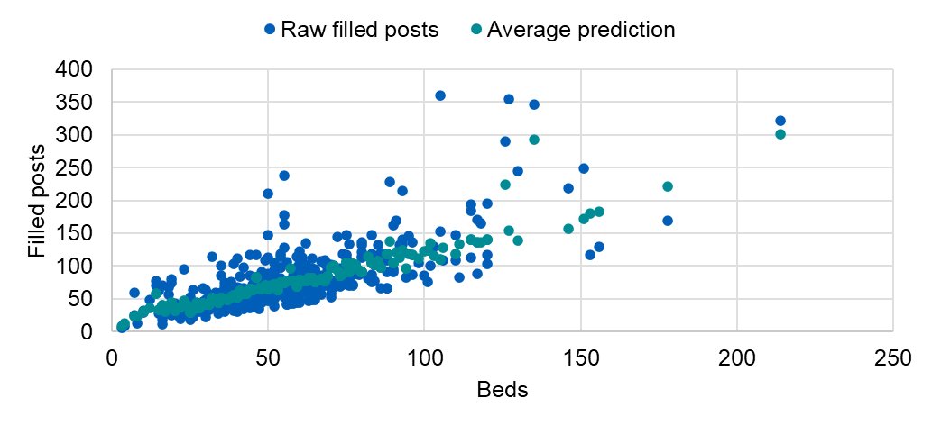

Chart 2. The relationship between filled posts and beds at care only homes in the independent CQC-regulated sector, March 2025
Source. ASC-WDS unweighted data, Skills for Care estimates

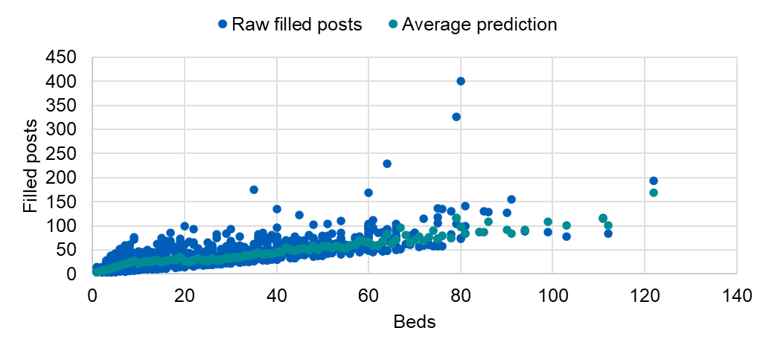

Appendix C
Appendix C - Regression models for estimating filled posts at residential services in the independent CQC-regulated sector

Notes
These charts show the correlation between Skills for Care's estimate of filled posts and posts collected by the NHS Capacity Tracker at different service types. These measures are calculated independently of each other but give similar amounts.

Chart 3. A comparison of filled post estimates in local authority areas for independent CQC-regulated care homes with nursing and Capacity Tracker data, March 2025
Source. Skills for Care estimates, NHS Capacity Tracker

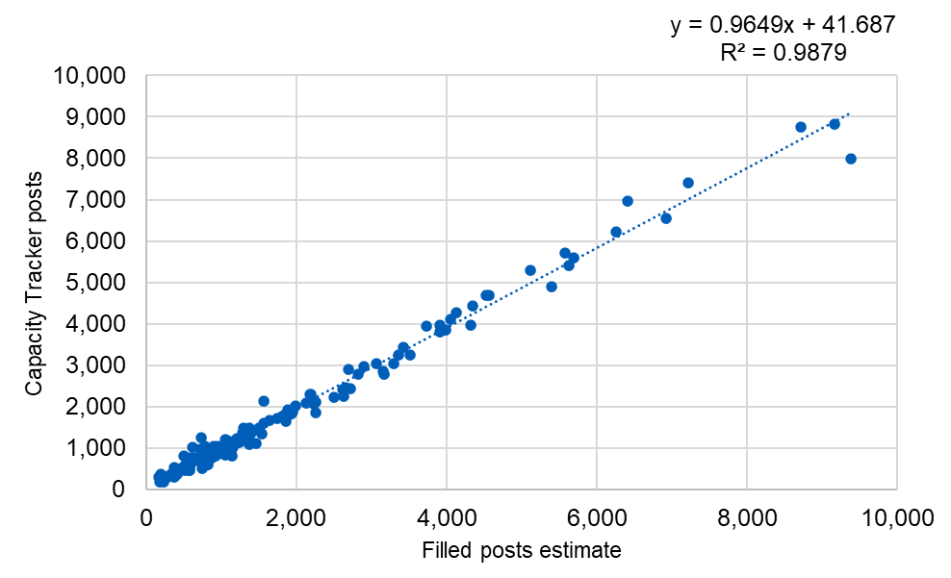

Chart 4. A comparison of filled post estimates in local authority areas for independent CQC-regulated care only homes and Capacity Tracker data, March 2025
Source. Skills for Care estimates, NHS Capacity Tracker

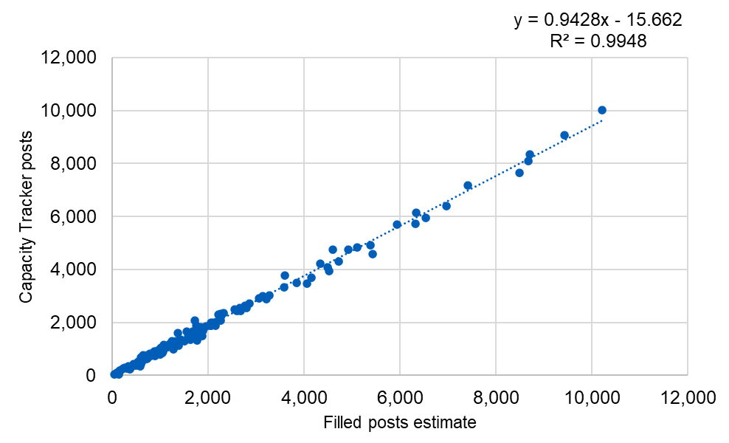

Chart 5. A comparison of filled post estimates in local authority areas for independent CQC-regulated non-residential services and Capacity Tracker data, March 2025
Source. Skills for Care estimates, NHS Capacity Tracker
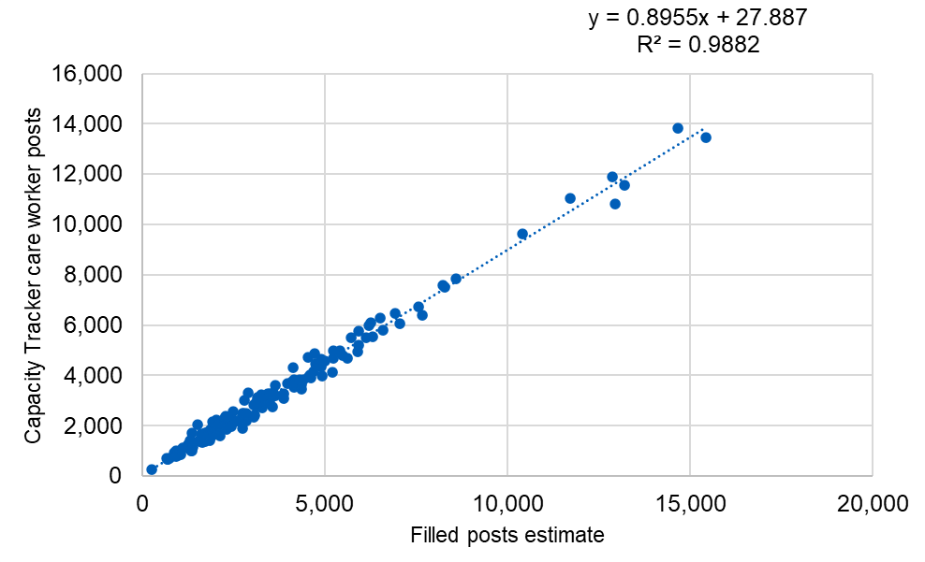

Appendix E
Appendix E - Potential sources of bias

Notes
These tables present potential sources of bias in the ASC-WDS dataset.

Table 13. ASC-WDS coverage of independent sector CQC-regulated locations by type of care need, March 2025
Source. CQC Care Directory, ASC-WDS unweighted data

 | CQC-regulated locations | Coverage
All locations | 28,973 | 53.3%
Dementia | 18,631 | 51.8%
Learning disabilities and autism | 12,884 | 59.1%
Mental health | 12,542 | 51.5%

Table 14. Size of CQC-regulated care home establishments by participation in the ASC-WDS, March 2025
Source. CQC Care Directory, ASC-WDS unweighted data

 | Mean number of care home beds
In ASC-WDS | 31.5
Not in ASC-WDS | 31.0

Table 15. Average CQC rating by whether or not location was found on ASC-WDS, March 2025
Source. CQC Care Directory, ASC-WDS unweighted data

 | Number of locations inspected | Average rating
In ASC-WDS | 15,446 | 14.6
Not in ASC-WDS | 13,527 | 14.4

